MDMTERM BOND
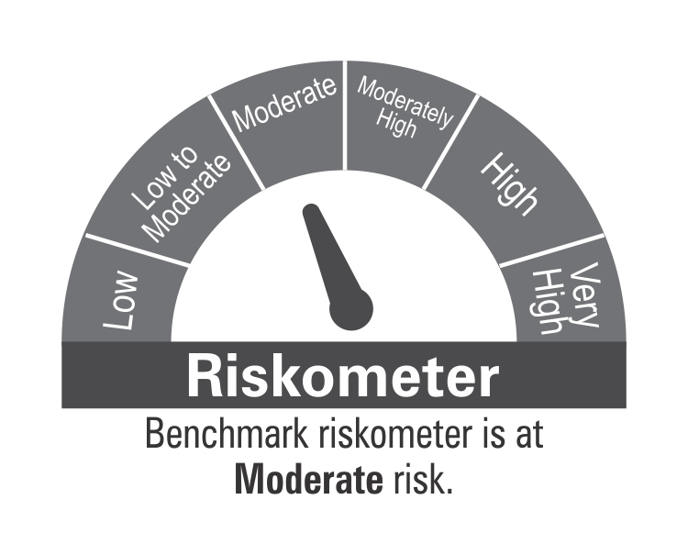
ICICI Prudential Mutual Fund
ICICI Prudential Medium Term Bond Fund
Portfolio as on Oct 31,2024
Company/Issuer/Instrument Name | ISIN | Coupon | Industry/Rating | Quantity | Exposure/Market Value(Rs.Lakh) | % to Nav | Yield of the instrument | Yield to Call @
Debt Instruments |  |  |  |  | 541816.18 | 91.58%

Listed / Awaiting Listing On Stock Exchanges |  |  |  |  | 541816.18 | 91.58%

Government Securities |  |  |  |  | 167342.36 | 28.28%
Government Securities | IN0020240019 | 7.1 | SOV | 146573350 | 149175.47 | 25.21% | 6.96
Government Securities | IN0020240126 | 6.79 | SOV | 8370700 | 8359.82 | 1.41% | 6.92
Government Securities | IN0020220151 | 7.26 | SOV | 6334300 | 6489.83 | 1.10% | 6.98
State Government of West Bengal | IN3420230317 | 7.53 | SOV | 2000000 | 2073.32 | 0.35% | 7.27
State Government of Rajasthan | IN2920230579 | 7.52 | SOV | 1000000 | 1039.06 | 0.18% | 7.23
Government Securities | IN0020230085 | 7.18 | SOV | 200650 | 204.86 | 0.03% | 6.97

Non-Convertible debentures / Bonds |  |  |  |  | 374473.82 | 63.29%
Godrej Properties Ltd. ** | INE484J08089 | 8.4 | ICRA AA+ | 15000 | 15082.41 | 2.55% | 8.20
Oberoi Realty Ltd. ** | INE093I07082 | 8.05 | CARE AA+ | 15000 | 14941.31 | 2.53% | 8.52
Pipeline Infrastructure Pvt Ltd. ** | INE01XX07034 | 7.96 | CRISIL AAA | 12400 | 12650.57 | 2.14% | 7.60
TVS Credit Services Ltd. ** | INE729N08089 | 9.5 | CRISIL AA | 110 | 11147.94 | 1.88% | 9.00
Ess Kay Fincorp Ltd ** | INE124N07721 | 9.25 | ICRA AA- | 11000 | 10922.19 | 1.85% | 9.66
Torrent Power Ltd. ** | INE813H07366 | 8.32 | CRISIL AA+ | 10500 | 10634.07 | 1.80% | 7.94
Nirma Ltd. ** | INE091A07208 | 8.5 | CRISIL AA | 10000 | 10078.29 | 1.70% | 8.08
G R Infraprojects Ltd. ** | INE201P08209 | 8.35 | CARE AA+ | 10000 | 10000.96 | 1.69% | 8.31
Tata Projects Ltd. ** | INE725H08113 | 8.65 | FITCH AA | 1000 | 9999.73 | 1.69% | 8.41
IIFL Home Finance Ltd. ** | INE477L07AV2 | 8.5 | CRISIL AA | 10000 | 9967.53 | 1.68% | 9.11
SEIL Energy India Ltd. ** | INE460M07010 | 8.45 | CARE AA+ | 10000 | 9959.71 | 1.68% | 8.59
Jhajjar Power Ltd. ** | INE165K07027 | 9.99 | FITCH AA(CE) | 90 | 8930.65 | 1.51% | 10.83
Oriental Nagpur Betul Highway Ltd. ** | INE105N07209 | 8.28 | CRISIL AAA | 8237 | 8162.54 | 1.38% | 8.99
Godrej Properties Ltd. ** | INE484J08071 | 8.55 | ICRA AA+ | 8000 | 8067.57 | 1.36% | 8.31
Eris Lifesciences Ltd. ** | INE406M08029 | 8.73 | FITCH AA- | 7500 | 7550.23 | 1.28% | 8.40
Eris Lifesciences Ltd. ** | INE406M08011 | 8.73 | FITCH AA- | 7500 | 7538.13 | 1.27% | 8.45
360 One Prime Ltd. ** | INE248U07FN4 | 9.5 | ICRA AA | 7500 | 7532.03 | 1.27% | 9.14
Godrej Industries Ltd. ** | INE233A08089 | 8.29 | CRISIL AA+ | 7500 | 7518.59 | 1.27% | 8.13
Indostar Capital Finance Ltd. ** | INE896L07876 | 9.95 | CRISIL AA- | 7500 | 7498.70 | 1.27% | 10.37
Avanse Financial Services Ltd ** | INE087P07444 | 9.4 | CRISIL AA- | 7500 | 7475.91 | 1.26% | 9.85
IIFL Home Finance Ltd. ** | INE477L07AW0 | 8.5 | CRISIL AA | 7500 | 7462.34 | 1.26% | 9.11
TVS Credit Services Ltd. ** | INE729N08113 | 9.38 | CRISIL AA | 70 | 7055.43 | 1.19% | 9.20
L&T Metro Rail (Hyderabad) Ltd. ** | INE128M08078 | 6.58 | CRISIL AAA(CE) | 700 | 6886.69 | 1.16% | 7.72
Godrej Industries Ltd. ** | INE233A08071 | 8.3 | CRISIL AA+ | 6000 | 6011.95 | 1.02% | 8.15
Jhajjar Power Ltd. ** | INE165K07019 | 9.99 | FITCH AA(CE) | 60 | 5977.92 | 1.01% | 10.77
TVS Credit Services Ltd. ** | INE729N08097 | 9.35 | CRISIL AA | 50 | 5053.91 | 0.85% | 9.00
LIC Housing Finance Ltd. ** | INE115A07QU9 | 7.75 | CRISIL AAA | 5000 | 5025.18 | 0.85% | 7.61
JM Financial Asset Recosntruction Company Ltd. ** | INE265J07514 | 10.2 | ICRA AA- | 5000 | 5015.97 | 0.85% | 9.77
Aadhar Housing Finance Ltd. ** | INE883F07314 | 8.5 | ICRA AA | 5000 | 5014.48 | 0.85% | 8.29
360 One Prime Ltd. ** | INE248U07EQ0 | 9.41 | CRISIL AA | 500000 | 5012.57 | 0.85% | 9.14
Altius Telecom Infrastructure Trust. ** | INE0BWS08019 | 8.4 | CRISIL AAA | 5000 | 5011.12 | 0.85% | 8.51
JM Financial Asset Recosntruction Company Ltd. ** | INE265J07522 | 10.2 | ICRA AA- | 5000 | 5010.18 | 0.85% | 9.75
Aadhar Housing Finance Ltd. ** | INE883F07249 | 7.15 | CARE AA | 500 | 4993.89 | 0.84% | 7.84
Indostar Capital Finance Ltd. ** | INE896L07975 | 9.95 | CARE AA- | 5000 | 4993.80 | 0.84% | 10.40
Shriram Finance Ltd. ** | INE721A07RR8 | 8.75 | CRISIL AA+ | 5000 | 4988.37 | 0.84% | 8.96
Hampi Expressways Private Ltd. ** | INE03ST08010 | 8.2 | CARE AA+(CE) | 5000 | 4971.80 | 0.84% | 8.34
Aptus Value Housing Finance ** | INE852O07139 | 8.75 | CARE AA- | 5000 | 4952.36 | 0.84% | 9.78
Bharat Sanchar Nigam Ltd. ** | INE103D08021 | 6.79 | CRISIL AAA(CE) | 510 | 4905.85 | 0.83% | 7.75
G R Infraprojects Ltd. ** | INE201P08183 | 8.55 | CRISIL AA | 490 | 4900.01 | 0.83% | 8.26
Aavas Financiers Ltd. ** | INE216P07217 | 8.75 | CARE AA | 450 | 4525.30 | 0.76% | 8.43
Torrent Power Ltd. ** | INE813H07192 | 7.45 | CRISIL AA+ | 450 | 4453.16 | 0.75% | 7.92
Manappuram Finance Ltd. ** | INE522D07CH7 | 9.1 | CRISIL AA | 4000 | 4005.47 | 0.68% | 8.98
The Great Eastern Shipping Company Ltd. ** | INE017A08250 | 8.24 | CRISIL AA+ | 380 | 3790.01 | 0.64% | 8.51
Oriental Nagpur Betul Highway Ltd. ** | INE105N07217 | 8.28 | CRISIL AAA | 3094 | 3066.83 | 0.52% | 8.88
Phoenix ARC Pvt Ltd. ** | INE163K07097 | 7.55 | CRISIL AA | 300 | 2995.56 | 0.51% | 8.88
Oriental Nagpur Betul Highway Ltd. ** | INE105N07225 | 8.28 | CRISIL AAA | 3000 | 2969.57 | 0.50% | 8.87
Aadhar Housing Finance Ltd. ** | INE883F07330 | 8.65 | ICRA AA | 2500 | 2524.33 | 0.43% | 8.25
The Great Eastern Shipping Company Ltd. ** | INE017A08235 | 8.7 | CRISIL AA+ | 250 | 2503.66 | 0.42% | 8.53
Indostar Capital Finance Ltd. ** | INE896L07892 | 9.95 | CRISIL AA- | 2500 | 2499.21 | 0.42% | 10.38
JM Financial Products Ltd. ** | INE523H07CB9 | 8.92 | CRISIL AA | 2500 | 2494.84 | 0.42% | 9.36
Bahadur Chand Investments Pvt. Ltd. ** | INE087M08126 | 9.25 | ICRA AA | 2500 | 2490.57 | 0.42% | 9.76
Oriental Nagpur Betul Highway Ltd. ** | INE105N07183 | 8.28 | CRISIL AAA | 2500 | 2489.00 | 0.42% | 8.97
Bahadur Chand Investments Pvt. Ltd. ** | INE087M08134 | 9.25 | ICRA AA | 2500 | 2484.61 | 0.42% | 9.69
Oriental Nagpur Betul Highway Ltd. ** | INE105N07191 | 8.28 | CRISIL AAA | 2500 | 2481.70 | 0.42% | 9.03
Oriental Nagpur Betul Highway Ltd. ** | INE105N07175 | 8.28 | CRISIL AAA | 2000 | 1995.28 | 0.34% | 8.82
DME Development Ltd. ** | INE0J7Q07017 | 9.74 | CRISIL AAA | 165 | 1772.33 | 0.30% | 9.42
DME Development Ltd. ** | INE0J7Q07108 | 9.74 | CRISIL AAA | 165 | 1770.43 | 0.30% | 9.38
DME Development Ltd. ** | INE0J7Q07074 | 9.74 | CRISIL AAA | 165 | 1762.49 | 0.30% | 9.22
DME Development Ltd. ** | INE0J7Q07090 | 9.74 | CRISIL AAA | 165 | 1761.71 | 0.30% | 9.36
DME Development Ltd. ** | INE0J7Q07082 | 9.74 | CRISIL AAA | 165 | 1760.22 | 0.30% | 9.31
DME Development Ltd. ** | INE0J7Q07066 | 9.74 | CRISIL AAA | 165 | 1750.04 | 0.30% | 9.22
DME Development Ltd. ** | INE0J7Q07058 | 9.74 | CRISIL AAA | 165 | 1743.77 | 0.29% | 9.15
DME Development Ltd. ** | INE0J7Q07041 | 9.74 | CRISIL AAA | 165 | 1730.71 | 0.29% | 9.15
DME Development Ltd. ** | INE0J7Q07033 | 9.74 | CRISIL AAA | 165 | 1722.92 | 0.29% | 9.04
DME Development Ltd. ** | INE0J7Q07025 | 9.74 | CRISIL AAA | 165 | 1712.96 | 0.29% | 8.93
Sheela Foam Ltd. ** | INE916U08012 | 8.45 | FITCH AA | 1500 | 1504.43 | 0.25% | 8.27
Sheela Foam Ltd. ** | INE916U08038 | 8.45 | FITCH AA | 1500 | 1503.90 | 0.25% | 8.29
Sheela Foam Ltd. ** | INE916U08020 | 8.45 | FITCH AA | 1500 | 1501.15 | 0.25% | 8.31
Sheela Foam Ltd. ** | INE916U08046 | 8.45 | FITCH AA | 1500 | 1500.70 | 0.25% | 8.29
IIFL Home Finance Ltd. ** | INE477L07AL3 | 8.25 | CRISIL AA | 150000 | 1497.38 | 0.25% | 8.69
Torrent Power Ltd. ** | INE813H07135 | 6.5 | CRISIL AA+ | 150 | 1491.16 | 0.25% | 7.97
Power Finance Corporation Ltd. ** | INE134E08JQ3 | 8.95 | CRISIL AAA | 81 | 851.87 | 0.14% | 7.39
Rural Electrification Corporation Ltd. ** | INE020B08BS3 | 8.8 | CRISIL AAA | 20 | 211.02 | 0.04% | 7.31
Small Industries Development Bank Of India. ** | INE556F08KJ7 | 7.55 | CRISIL AAA | 200 | 199.84 | 0.03% | 7.58
Rural Electrification Corporation Ltd. ** | INE020B08BQ7 | 8.85 | CRISIL AAA | 5 | 52.81 | 0.01% | 7.31

Zero Coupon Bonds / Deep Discount Bonds |  |  |  |  | Nil | Nil

Privately Placed/unlisted |  |  |  |  | Nil | Nil

Securitized Debt Instruments |  |  |  |  | Nil | Nil

Term Deposits |  |  |  |  | Nil | Nil

Deposits (maturity not exceeding 91 days) |  |  |  |  | Nil | Nil

Deposits (Placed as Margin) |  |  |  |  | Nil | Nil

Money Market Instruments |  |  |  |  | Nil | Nil

Certificate of Deposits |  |  |  |  | Nil | Nil

Commercial Papers |  |  |  |  | Nil | Nil

Bills Rediscounted |  |  |  |  | Nil | Nil

Treasury Bills |  |  |  |  | Nil | Nil

Units of Infrastructure Investment Trusts (InvITs) |  |  |  |  | 5250.00 | 0.89%
Cube Highways Trust | INE0NR623014 |  | Units of Infrastructure Investment Trusts | 4200000 | 5250.00 | 0.89%

Units of Real Estate Investment Trust (REITs) |  |  |  |  | 453.39 | 0.08%
Brookfield India Real Estate Trust REIT | INE0FDU25010 |  | Units of Real Estate Investment Trust (REITs) | 154858 | 453.39 | 0.08%

Units of an Alternative Investment Fund (AIF) |  |  |  |  | 1680.80 | 0.28%
Corporate Debt Market Development Fund (Class A2) | INF0RQ622028 |  | Financial Services | 16109 | 1680.80 | 0.28%

TREPS |  |  |  |  | 30553.85 | 5.16%

Net Current Assets |  |  |  |  | 11899.26 | 2.01%
Total Net Assets |  |  |  |  | 591653.48 | 100.00%

INTEREST RATE SWAPS (At Notional Value) |  |  |  |  | 5000.00 | 0.85%
Hongkong & Shanghai Banking Corpn- MD -29-Oct-2029 (Pay float/receive fixed) |  |  |  |  | 5000.00 | 0.85%

Non-Convertible debentures / Bonds & Zero Coupon Bonds / Deep Discount Bonds / Certificate of Deposits / Commercial Papers are considered as Traded based on the information provided by external agencies.
** Non Traded / Illiquid Securities.
For the Instrument/security whose final ISIN is yet to be assigned, disclosure of ISIN has been made as per the details provided by external agencies.
Debt instruments having structured obligations or credit enhancement features have been denoted with suffix as (SO) or (CE) respectively against the ratings of the instrument.
@ As per AMFI Best Practices Guidelines Circular No. 91/ 2020 - 21 dated March 24, 2021 on Valuation of AT-1 Bonds and Tier 2 Bonds, Yield to call is disclosed for AT-1 Bonds and Tier 2 Bonds issued by Banks as provided by Valuation agencies.
For Instances of Deviation In valuation Of Securities as per SEBI master circular ref no SEBI/HO/IMD/IMD-PoD-1/P/CIR/2023/74 dated May 19, 2023.Refer link: https://www.icicipruamc.com/statutory-disclosures/deviation-in-valuation-of-securities
As per AMFI Best Practices Guidelines Circular No. AMFI/ 35P/ MEM-COR/ 72 / 2022-23 dated December 31, 2022 on Standard format for disclosure Portfolio YTM for Debt Schemes, Yield of the instrument is disclosed on annualized basis as provided by Valuation agencies.
“This scheme has exposure to floating rate instruments and / or interest rate derivatives. The duration of these instruments is linked to the interest rate reset period. The interest rate risk in a floating rate instrument or in a fixed rate instrument hedged with derivatives is likely to be lesser than that in an equivalent maturity fixed rate instrument. Under some market circumstances the volatility may be of an order greater than what may ordinarily be expected considering only its duration. Hence investors are recommended to consider the unadjusted portfolio maturity of the scheme as well and exercise adequate due diligence when deciding to make their investments”.

Scheme Riskometer

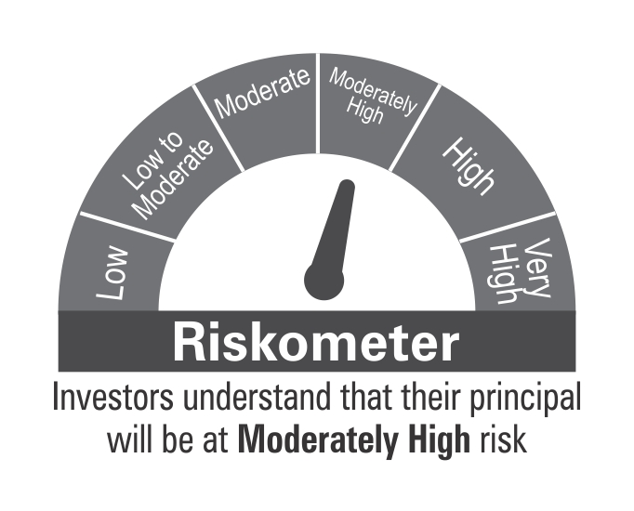

Benchmark Riskometer
Benchmark name - NIFTY Medium Duration Debt Index A-III

